Requirement Specification
ICM Project Requirement Specifications |  |  |  | Explantions:
Notes: FR/NFR | Information | Requirement Type | Requirement ID | ID will run from 1 to infinity
 | Login Activity | Header | 1 | If requirement is deleted it will remain in the excel with line
 | The system shall have "Login" Page | Requirement | 2 | All IDs will be unique
 | "Login" Page shall have "Sign In" button | Requirement | 3 | Three types: Comment, Header, Requirement
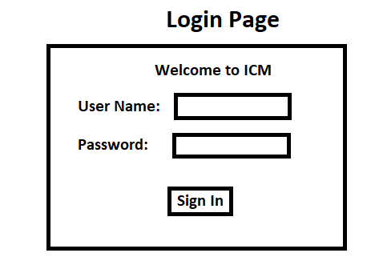
 | "Login" page shall consists of two fields | Requirement | 4
 | Login First Field shall be: User Name | Requirement | 5
 | Login Second Field shall be: Password | Requirement | 6
 | All fields can receive user input | Requirement | 7
 | Password field shall display '*' instead of the every charcter entered via input | Requirement | 8
 | Login shall be done only with valid combination of password and username | Requirement | 9
 | Valid combination is only combination that exists in the external database | Requirement | 10
 | System shall perform validation of the combination when "Sign In" button is pressed | Requirement | 11
 | Incase of invalid combiniation the system shall clear all the field | Requirement | 12
 | Incase of invalid combiniation the system shall display "Invalid User Name or Password" error message | Requirement | 13
 | System shall allow every user to be logged in from one device only | Requirement | 14
 | Incase user logged in from more than one device the system shall perform logout from the prior device | Requirement | 15
 | Incase of valid combiniation the system shall login the user | Requirement | 16
 | Upon login the system shall display the "User Home Page" | Requirement | 17
 | Login funcunllity shall be available for every permission | Requirement | 18
 | User Permissions | Header | 19
 | System shall have different permission types | Requirement | 20
 | System shall have student permission | Requirement | 21
 | System shall have lecturer permission | Requirement | 22
 | System shall have worker permission | Requirement | 23
 | System shall have Information Systems Department Head permission | Requirement | 24
 | System shall have supervisor permission | Requirement | 25
 | System shall have administrator permission | Requirement | 26
 | System shall have information engineer permission | Requirement | 27
 | System shall have functionillity available only to certain permissions | Requirement | 28
 | Unique functionality will be described under the action header | Comment | 29
 | Administrator shall have access to all system functionalities | Requirement | 30
 | Change Request Submission | Header | 31
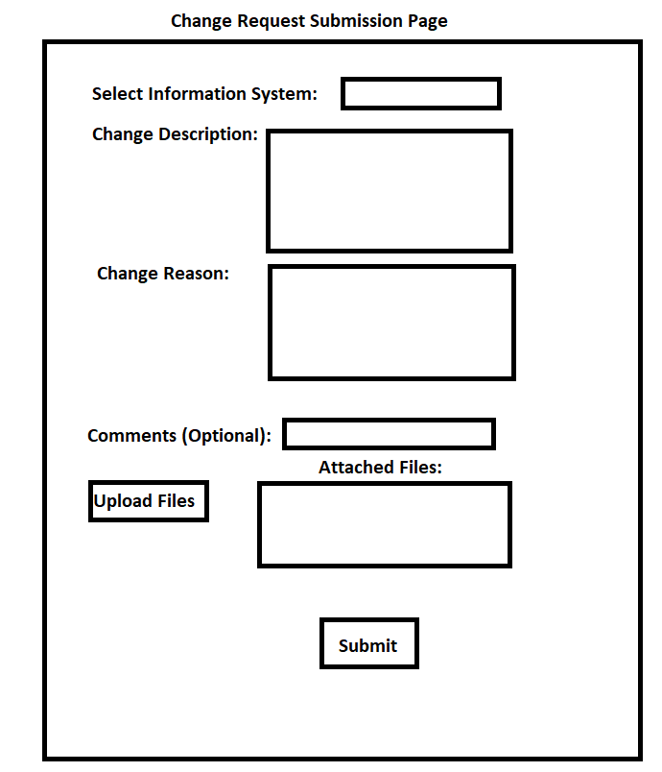
 | The system shall have change request submission functionality | Requirement | 32
 | Change Request functionallity shall be available for every permission | Requirement | 33
 | The system shall have "Change Request Submission" page | Requirement | 34
 | Page shall consists of the following fields: 1. Select Information system 2. Change Description 3. Change Reason 4. Additional Comments | Requirement | 35
 | Page shall consists of the following buttons: 1. Submit 2. Upload Files | Requirement | 36
 | Page display will be similliar to attached illustration | Comment | 37
 | Select Information System field shall be drop down list | Requirement | 38
 | Select Information System field available inputs shall be defined in the external database | Requirement | 39
 | Select Information System field default value shall be the first item on the list | Requirement | 40
 | The following fields shall be required fields: 1. Select Information system 2. Change Description 3. Change Reason | Requirement | 41
 | The following fields shall be optional fields: Additional Comments | Requirement | 42
 | All fields can receive user input | Requirement | 43
 | User shall upload local files using the "Upload Files" button | Requirement | 44
 | Uploaded files shall be displayed at the "attached files" section | Requirement | 45
 | Attached files is limited to XXX unique files | Requirement | 46
 | Attached files is limited to XXX MB of storage | Requirement | 47
 | Valid request submission is submission where all the required fields are filled | Comment | 48
 | Upon pressing "Submit" button with invalid request submission the system shall display "must fill all the required fields before submission" error message | Requirement | 49
 | Upon pressing "Submit" button with valid request submission the system shall create new change request. | Requirement | 50
 | System shall set the following attributes of the change request: 1. Initiator name 2. Initiator role 3. Initiator email address 4. Submission date 5. Submission ID | Requirement | 51

